입력안내
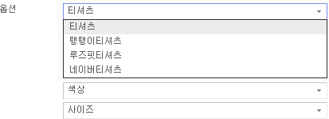
입력안내
옵션을 2개만 사용하는 경우 |  |  |  |  |  | 옵션명을 변경하는 경우
ㄴ 옵션 사용 개수만 남기고 열 삭제 |  |  |  |  |  | ㄴ 선택1~5까지 변경

선택1 | 선택2 | 옵션가 | 재고수량 | 관리코드 | 사용여부 | 티셔츠 | 색상 | 사이즈 | 옵션가 | 재고수량 | 관리코드 | 사용여부
컬러 | 빨강 | 0 | 0 | OW2MB376 | Y | 땡땡이티셔츠 | 레드 | S | 0 | 1 | OW2MB376 | Y
컬러 | 파랑 | 100 | 100 | OW2MZ055 | Y | 땡땡이티셔츠 | 레드 | M | 100 | 2 | OW2MB376 | Y
사이즈 | S | 200 | 200 | OW2MB376 | Y | 땡땡이티셔츠 | 블랙 | L | 100 | 3 | OW2MB376 | Y
사이즈 | M | 300 | 300 | OW2MZ055 | Y | 루즈핏티셔츠 | 화이트 | S | 100 | 100 | OW2MZ055 | Y
 |  |  |  |  |  | 루즈핏티셔츠 | 화이트 | L | 100 | 100 | OW2MZ055 | Y
상품상세 |  |  |  |  |  | 네이버티셔츠 | 그린 | XS | 200 | 200 | OW2MB376 | Y
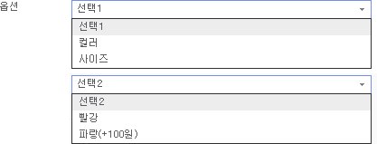
 |  |  |  |  |  | 네이버티셔츠 | 그린 | S | 300 | 22 | OW2MB376 | Y
 |  |  |  |  |  | 네이버티셔츠 | 그린 | M | 300 | 1 | OW2MB376 | Y
 |  |  |  |  |  | 네이버티셔츠 | 그린 | L | 300 | 1 | OW2MB376 | Y

 |  |  |  |  |  | 상품상세

